2 TestBench Block Diagram
TestBench Block Diagram

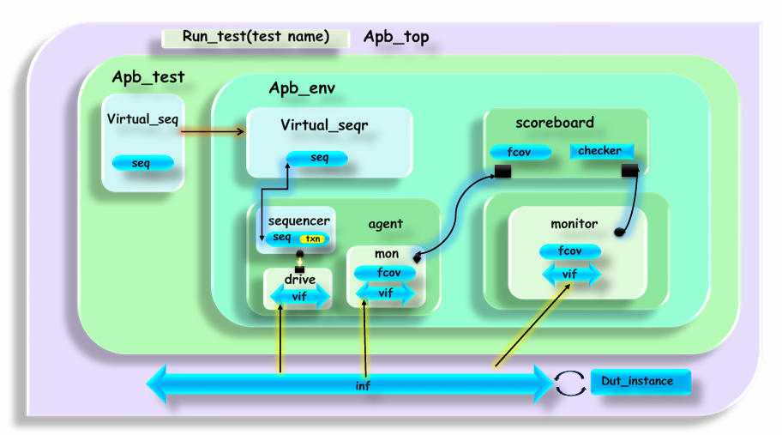
 | TOP LEVEL

